1. Shares
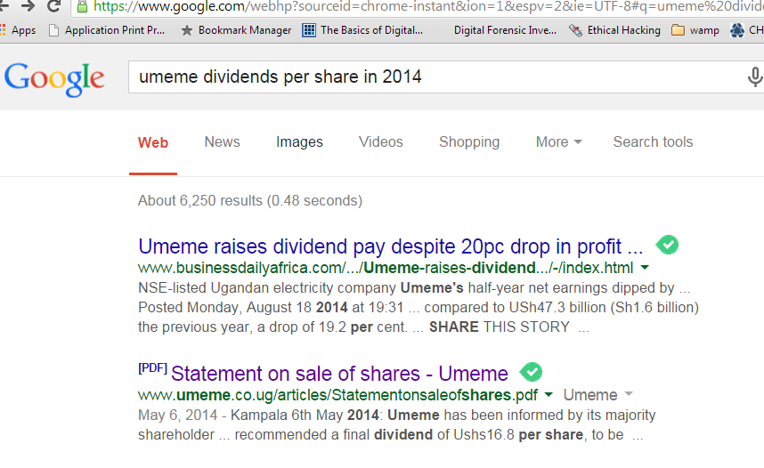
Case study 1: Investment in stocks (Umeme shares)
 |  | Ugx
Price per share in 2013 |  | 209
Price per share in 2014 (one year later) |  | 502

Savings available to invest | 5,000,000.00
Brokerage fees (per transaction) 1 | 2.10%
 | 105,000.00
Net amount for investment | 4,895,000.00

Total number of shares bought in 2013 | 23,421.05 | shares

Value of shares / capital after 1 year | 11,757,368.42

Brokerage fees (on transaction) 2 | 246,904.74

Total brokerage fees (1+2) | 351,904.74

Total amount earned = dividends paid + value of shares after deducting broker's fees
Value of 23421 shares each at 502/- | 11,510,463.68
Dividends paid out by UMEME in 2014 | 393,473.68 | 16.8 | Ugx per share

Total income after 1 year | 11,903,937.37
Total returns | 6,903,937.37
Return on investment | 138.1%

Decision: very profitable venture

Key terms
Securities Central Depository (SCD) is a system operated by the Uganda Stock Exchange
Every shareholder or prospective SH must have a SCD account.
Your securities will be deposited in that account; instead of paper share certificate

Broker -- you must have a broker to by shares. They charge 2.1% breaks down as follows:
Broker commission | 1.70%
USE transaction levy | 0.14%
CMA transaction levy | 0.14%
Compesation fund | 0.02%
SCD levy | 0.08%
Guarantee fund | 0.02%

Total fee per transaction done | 2.10%

2. Treasury Bills
Case study 2: Treasury Bills
Short term securities issued by Government
No risk
Duration 3 months, 6 months and 12 months
What to get complete analysis?
Send mobile money, Ugx. 100,000 to 0782610333 for unlock key to remove this message
Costs per transaction | 0.05%

Savings to invest | 5,000,000.00
Requirements - open an account with stock brokers. Minimum required | 600,000

Return - fixed rate e.g. 5% for 3 months | 5%

Total income at maturity | 250,000
Total costs (brokerage) | 2,500
Net income | 247,500
Return on investment (annual) | 19.80%

3. Fixed Deposits
Case study 3: Fixed deposits
What to get complete analysis?
Send mobile money, Ugx. 100,000 to 0782610333 for unlock key to remove this message
Capital available (fixed amount) | 5,000,000
Duration (12 months)
Interest payable | 10%

Requirements - open bank account | 50,000
Minimum fix deposit | 1,000,000

Income after 1 year | 500,000
Net income | 450,000
Rate of return | 9.00%

5. Book Publishing
Case study 5: Book publishing about your experiences

What to get complete analysis?
Send mobile money, Ugx. 100,000 to 0782610333 for unlock key to remove this message
Savings available | 5,000,000.00
Book printing (100 pages) | 1000 | Copies
Price per book | 20,000
Period to publish (months) | 12

Total revenue | 20,000,000
Sales commission | 20%
Costs | 4,000,000
Total costs | 9,000,000
Profit | 11,000,000
Return on investment | 220.0%

NB: that excludes Amazon sales which I continue to get.

6. Nursery Biz
Case study 6: Small business - Nursery School, Shop, etc
 | Annual
Savings available | 5,000,000
Bank loan - 20% | -23,800,000

What to get complete analysis?
Send mobile money, Ugx. 100,000 to 0782610333 for unlock key to remove this message
Nursery school
Rent per year, first 3 years | -28,800,000
Utilities (lots of water & power) monthly | -1,200,000
Supplies (paper, pens, eats) | -12,000,000
Staff salary (2 teachers) + admin staf (2) | -38,400,000
Legal costs, license fees, etc | -24,000,000
Miscellaneous (first aid kit, cleaners, etc) | -1,800,000
Book keeping fees | -6,000,000
Marketing costs ???????

Total operating costs per year | -83,400,000

Number of children | 40
School fees per term | 500,000
Total revenue per term | 20,000,000
Total revenue per year | 80,000,000

Profits | -3,400,000
Loan interest (20%) | -4,760,000
Net profit/ (loss) | -8,160,000
Excluding risks and your loosing the head i.e. your opportunity costs of tending to the biz

Return (loss) on investment | -34.29%

7. Rentals
What to get complete analysis?
Send mobile money, Ugx. 100,000 to 0782610333 for unlock key to remove this message
Case study 7: Real Estate development
 | Annual
Savings available | 5,000,000

Capital expenditure
Land purchase (loan to buy land at 20%) | 50,000,000
Property development - 3 bedroomed | 90,000,000

Income
Rental income per room | 800,000
Annual revenue | 28,800,000

Expenditure
Loan interest (20%) | 27,000,000
Property maintainance | 2,400,000
Net profits | -600,000
Return on investment = negative

ROI = | -0.0480%
Property pays after a long period of time; payback period is 10-20 years!

8. Educn Insurance
Case study 8: Child education insurance

What to get complete analysis?
Send mobile money, Ugx. 100,000 to 0782610333 for unlock key to remove this message
Education insurance (Policy Plan) | Policy period (years) | Annual premium (Ugx) | Monthly premium (Ugx) | Sum Assured (if you die within 10 yrs) | Minimum estimated maturity value (if you don’t die) (Ugx)
Child education insurance | 10 | 3,742,032 | 311,836 | 60,000,000 | 63,288,287

Total investment over 10 years |  | 37,420,320

Total income at maturity |  | 25,867,967 | 21,557

Return on investment (annual) | 6.91% |  | 6.91281%

Mustapha's recommendation -- a must invest for you all!

